How to Use This Workbook
Frozen Regional Produce Feasibility Workbook - Frozen Blueberries

How to Use This Workbook

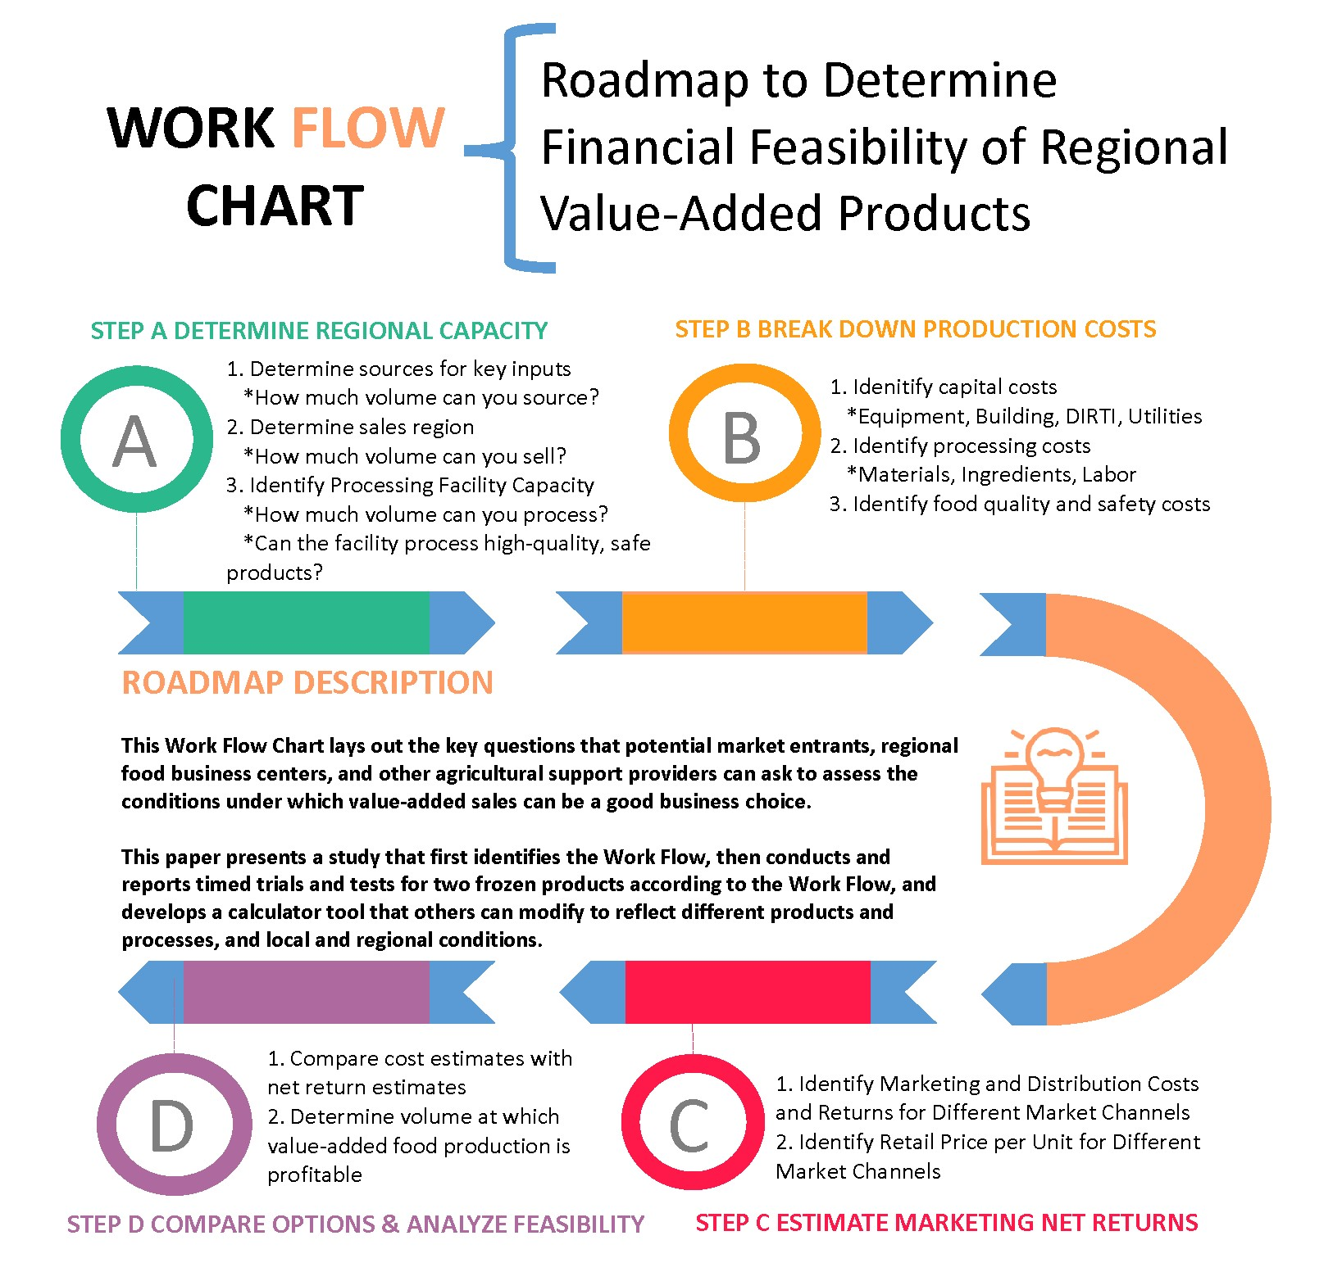
This Calculator can be modified. Please refer to the paper "Financial Feasibility of Selling Frozen Produce in Local and Regional Markets", which provides detailed information regarding the process and assumptions used to develop this Calculator.
 | Step A - Determine Regional Capacity

 |  | What is the specific Value-Added Product you wish to produce?
 |  | How do you define the region from which you will source the raw inputs? How much product is grown and is available to your enterprise from that region?
 |  | Where will you sell the product? How much can you sell?
 |  | What processing options are available to you?
 |  | How much volume can the facilities process? Can the facility process high-quality, safe products?

 |  |  | Identify Regional Capacity in Lbs of Raw Product and use this for required fields on "Intro & Batch Size" Worksheet

 | Step B - Break Down Production Costs

 |  | Capital Costs and Assumption
 |  |  | Identify Buildings, Utilities, and Baseline Labor Costs

 |  | Production/ Processing Costs
 |  |  | Identify Production Costs from "Option 1 - Hire a Food Processing Facility to Co-Pack Raw Produce" Worksheet
 |  |  | Identify Production Costs from "Option 2 - Establish an Independent Food Processing Facility" Worksheet

 | Step C - Estimate Marketing Net Returns

 |  | Marketing/ Retailing Costs and Returns (i.e., "Net Returns")
 |  |  | Identify Marketing Net Returns from "Option 1 - Sell at Own-Farm Store" Worksheet
 |  |  | Identify Marketing Net Returns from "Option 2 - Sell through a Non-Farm Retailer" Worksheet

 | Step D - Estimate Marketing Net Returns

 |  | Compare Options and Analyze Feasibility
 |  |  | Compare cost estimates with net returns in "Feasibiilty" Worksheet
 |  |  | Determine volume at which product is feasible, given your market conditions in "Feasibiilty" Worksheet

Building, Utilities, Labor
Depreciation Cost
Annual straightline depreciation is calculated as: D = (Current Value - Salvage Value)/Useful Life.
Current Value - new building cost or current assessed value.
Salvage Value - value of the building at the end of its the useful life.
Useful Life - we assumed 30 years.
Frozen Retail Blueberry Feasibility Calculator
 | Estimated building costs for a firm owning a facility like the FPF.
 | FPF Building |  | Cost per Month | Period | Daily Cost | Days per month | Current Value | Salvage Value | Useful Life (Years) | Interest Rate
 |  | FPF Value |  |  |  |  | $759,402 | $200,000 | 30 | 6%
 |  | Depreciation (straight-line, 30 years) | $1,553.89 | Monthly | $77.69 | 20
Interest Cost
The monthly interest or opportunity cost of a loan equal to the Current Value multiplied by the Interest Rate and divided by 12. We used the value of the building in the first year. In following years, interest/opportunity cost should be based on the value of the building (the investment) for that year.
 |  | Interest/Opportunity Cost | $3,797.01 | Monthly | $189.85 | 20
 |  | Facility Maintainence/repair1 | $1,446.68 | Monthly | $72.33 | 20
 |  | Taxes2 | $1,415.02 | Monthly | $70.75 | 20
 |  | Insurance3 | $583.33 | Monthly | $29.17 | 20
 | FPF Building Total Costs |  | $8,795.93 | Monthly | $439.80 | 20
Maintenance/repairs, Taxes, and Insurance Costs
These monthly costs were based on FPF records and reflect the costs associated with the FPF, a building valued at $759,402.
 | 1 Building maintenance and repairs based on FPF records.
 | 2 Taxes based on the FPF assessed value and the Greenfield, MA, 2019 tax rate of $22.36 per $1,000.
 | 3 Insurance based on FPF records.

Days per month
We assume the building is used 20 business days per month. A smaller facility focused only on freezing fresh product would change the number of months (eg. 2 or 3 rather than 12) and the number of business days during each month. .

 | Estimated daily overhead/utility costs for freezing at the FPF.
 | Overhead |  | Cost per month | Days per month | Daily cost | Percent of Overhead
 |  | Liquid Nitrogen Tank - Rental | $1,134.00 | 20 | $56.70 | 15.1%
Overhead/Utility Costs
These costs are based on FPF records and reflect the monthly costs associated with use of the FPF building. The liquid nitrogen tank cost is based on a contract with the liquid nitrogen supplier as do other monthly costs. These costs will certainly vary for buildings of different sizes.
 |  | Water/sewer | $500.00 | 20 | $25.00 | 6.6%
 |  | Electric | $2,583.33 | 20 | $129.17 | 34.3%
 |  | Gas (Hot Water) | $916.67 | 20 | $45.83 | 12.2%
 |  | Trash Removal | $750.00 | 20 | $37.50 | 10.0%
 |  | Cleaning Supplies | $583.33 | 20 | $29.17 | 7.8%
 |  | Other supplies | $422.24 | 20 | $21.11 | 5.6%
 |  | Laundry Service | $416.67 | 20 | $20.83 | 5.5%
 |  | Pest Control | $220.00 | 20 | $11.00 | 2.9%
 | Overhead total |  | $7,526.24 |  | $376.31 | 100.0%

Administrative Labor Costs
These costs are based on FPF records and reflect the daily costs associated with managing food processing and production labor at the FPF building. A smaller facility might have fewer administrative staff (perhaps just one manager). Fringe benefits were calculated assuming a rate of 40%.
 | Administrative daily labor costs for the FPF.
 |  | Position |  | Wage | Hours per Day | Cost
 |  | Administrative Support |  | $40.00 | 1 | $40.00
 |  | Bookkeeper |  | $40.00 | 0.5 | $20.00
 |  | Director |  | $40.00 | 2 | $80.00
 |  | Operations Director/Floor Manager |  | $31.00 | 4 | $124.00
 |  | Sourcing & Sales |  | $30.00 | 4 | $120.00
 |  |  |  |  |  | $384.00
 |  | Fringe Benefits (at 40%) | 40% |  |  | $153.60
 | Total Administrative Labor Costs |  |  |  |  | $537.60

Production Labor Costs
These costs are based on observation and recording of labor used during blueberry processing at the FPF. Other facilities will have different production methods for sanitation, packaging, etc., that will change both the machinery and labor used for each task.
A wage rate of $17.23/hour was used and is based on the average wage for FPF staff.
Fringe benefit costs are based on a rate of 40%.
 | Production Labor Input and Costs for Freezing Blueberries.
 |  | Task | Number of Employees | Total Labor (Hours) | Wage Rate ($/hour) | Labor Cost ($) | Percent
 |  | Receive product | 1 | 0.17 | 17.23 | $2.87 | 0.66%
 |  | Weigh product
 |  | Pre-production set up/sanitation | 4 | 4.08 | 17.23 | $70.36 | 16.07%
 |  | Final cleanup | 4 | 3.67 | 17.23 | $63.18 | 14.43%
 |  |  |  | 7.92 |  | $136.40 | 31%

 |  | Box set up | 2 | 1.08 | 17.23 | $18.67 | 4.26%
 |  | Bag labeling | 2 | 1.83 | 17.23 | $44.00 | 7.21%
 |  | Wash/rinse/sanitize (dunk tank) | 2 | 1.33 | 17.23 | $32.00 | 5.25%
 |  | Spin | 1 | 0.67 | 17.23 | $16.00 | 2.62%
 |  | IQF Input | 1 | 2.83 | 17.23 | $68.00 | 11.15%
 |  | Bag, seal, box | 3 | 8.50 | 17.23 | $204.00 | 33.44%
 |  | Clean-up (general) | 4 | 1.17 | 17.23 | $20.10 | 4.59% |  |  | Variable Labor Coefficient
 |  |  |  | 17.50 |  | $402.77 | 69% |  |  | 1.4583333333
 |  | Fringe Benefits (at 40%) | 40% |  |  | $215.67
 |  | Total |  | 25.42 |  | $754.84 | 100.00%

