Table 1 - Males
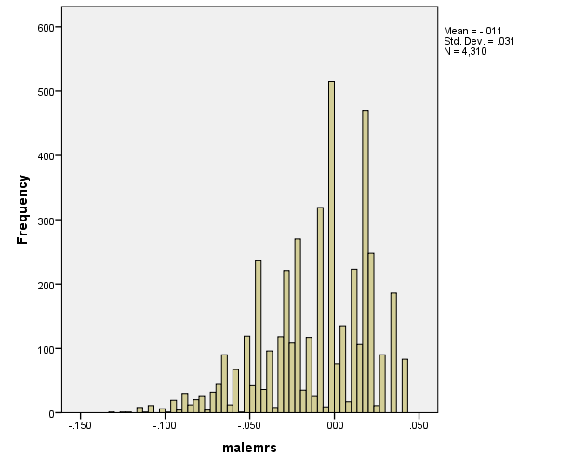
Table S.1. 5-fold cross validation results of genetic main effects on probability of persistent ASB outcome in males

 | Fold 1 |  |  |  | Fold 2 |  |  |  | Fold 3 |  |  |  | Fold 4 |  |  |  | Fold 5 |  |  |  | Average
 | b | S.E. | p | B | b | S.E. | p | B | b | S.E. | p | B | b | S.E. | p | B | b | S.E. | p | B | B
Peer closeness | 0.002 | 0.002 | 0.186 | 0.028 | 0.000 | 0.002 | 0.781 | 0.006 | 0.003 | 0.002 | 0.049 | 0.041 | 0.000 | 0.002 | 0.832 | 0.004 | 0.004 | 0.002 | 0.025 | 0.047 | 0.025
Income | -0.001 | 0.003 | 0.717 | -0.008 | -0.004 | 0.003 | 0.270 | -0.023 | 0.001 | 0.003 | 0.740 | 0.007 | -0.002 | 0.003 | 0.502 | -0.014 | -0.002 | 0.003 | 0.628 | -0.010 | -0.010
DAT1 | 0.010 | 0.008 | 0.184 | 0.028 | 0.008 | 0.008 | 0.314 | 0.021 | 0.002 | 0.007 | 0.821 | 0.005 | 0.010 | 0.007 | 0.192 | 0.027 | 0.003 | 0.007 | 0.701 | 0.008 | 0.018
DRD4 | -0.016 | 0.008 | 0.047 | -0.042 | -0.016 | 0.008 | 0.043 | -0.043 | -0.014 | 0.008 | 0.071 | -0.038 | -0.021 | 0.008 | 0.007 | -0.056 | -0.016 | 0.008 | 0.041 | -0.043 | -0.044
DRD2 | 0.000 | 0.008 | 0.965 | 0.001 | -0.002 | 0.008 | 0.810 | -0.005 | -0.006 | 0.008 | 0.411 | -0.017 | 0.000 | 0.008 | 0.973 | 0.001 | -0.003 | 0.008 | 0.692 | -0.008 | -0.006
5-HTTLPR | -0.006 | 0.007 | 0.390 | -0.018 | -0.007 | 0.006 | 0.296 | -0.022 | -0.006 | 0.006 | 0.368 | -0.019 | -0.004 | 0.006 | 0.566 | -0.012 | -0.008 | 0.006 | 0.224 | -0.026 | -0.019
MAO-A | 0.007 | 0.010 | 0.459 | 0.016 | 0.010 | 0.010 | 0.273 | 0.023 | -0.006 | 0.009 | 0.488 | -0.015 | 0.003 | 0.009 | 0.780 | 0.006 | -0.002 | 0.010 | 0.818 | -0.005 | 0.005

Table 2 - Females
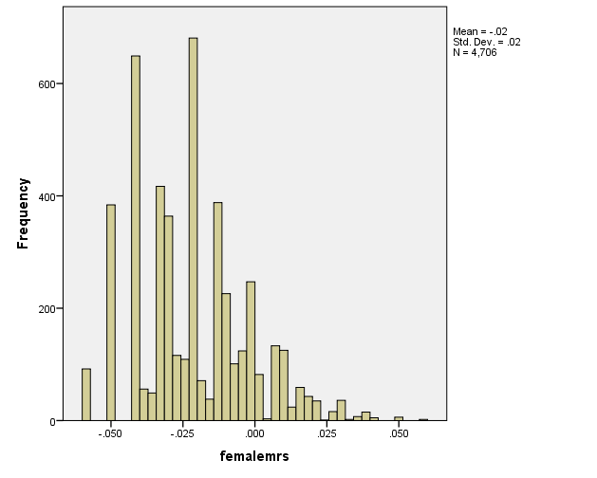
Table S.2. 5-fold cross validation results of genetic main effects on probability of persistent ASB outcome in females

 | Fold 1 |  |  |  | Fold 2 |  |  |  | Fold 3 |  |  |  | Fold 4 |  |  |  | Fold 5 |  |  |  | Average
 | b | S.E. | p | B | b | S.E. | p | B | b | S.E. | p | B | b | S.E. | p | B | b | S.E. | p | B | B
Peer closeness | -0.002 | 0.001 | 0.238 | -0.024 | 0.000 | 0.001 | 0.960 | 0.001 | 0.000 | 0.001 | 0.968 | -0.001 | 0.000 | 0.001 | 0.782 | 0.006 | 0.000 | 0.001 | 0.937 | 0.002 | -0.003
Income | -0.005 | 0.002 | 0.047 | -0.041 | -0.005 | 0.002 | 0.021 | -0.048 | -0.003 | 0.002 | 0.223 | -0.025 | -0.005 | 0.002 | 0.040 | -0.042 | -0.004 | 0.002 | 0.099 | -0.034 | -0.038
DAT1 | -0.007 | 0.005 | 0.192 | -0.027 | -0.005 | 0.005 | 0.307 | -0.021 | -0.002 | 0.005 | 0.657 | -0.009 | -0.003 | 0.005 | 0.547 | -0.012 | -0.008 | 0.005 | 0.112 | -0.032 | -0.020
COMT | -0.004 | 0.005 | 0.410 | -0.017 | -0.001 | 0.005 | 0.856 | -0.004 | -0.002 | 0.005 | 0.667 | -0.009 | -0.002 | 0.005 | 0.694 | -0.008 | -0.002 | 0.005 | 0.628 | -0.010 | -0.009
DRD4 | 0.006 | 0.006 | 0.307 | 0.021 | 0.004 | 0.006 | 0.467 | 0.015 | 0.010 | 0.006 | 0.092 | 0.035 | 0.003 | 0.006 | 0.548 | 0.012 | 0.006 | 0.006 | 0.299 | 0.021 | 0.021
5-HTTLPR | 0.003 | 0.005 | 0.532 | 0.013 | 0.000 | 0.004 | 0.915 | -0.002 | 0.002 | 0.005 | 0.683 | 0.008 | 0.002 | 0.005 | 0.654 | 0.009 | 0.002 | 0.005 | 0.624 | 0.010 | 0.008

