SF 1
CPT-IP 4 Digit Hits | 0.85395417175 | 0.38614133342
CPT-IP 3 Digit Hits | 0.85371558954 | 0.37589819005
CPT-IP 4 Digit d' | 0.73971885847 | 0.42894455568
CPT-IP 3 Digit d' | 0.73488667507 | 0.45315715851
CPT-IP 2 Digit Hits | 0.55228305979 | 0.3534378765
CPT-IP 2 Digit d' | 0.40354029803 | 0.16754788642
BACS Symbol Coding | 0.28163478363 | 0.12425299268
BACS Digit Sequencing | 0.22917784652 | 0.090129782306
CPT-IP 2 Digit False Alarms | 0.11831428996 | 0.060413838736
WCST-64 Completed Categories | 0.088432642264 | 0.064784599505
BACS Verbal Memory | 0.063943400508 | 0.044467757788
BACS Semantic Fluency [Fruits] | 0.052112710926 | 0.033634374149
BACS Semantic Fluency [Animals] | 0.039129764597 | 0.034686266321
BACS Tower of London | 0.018769091135 | 0.014613510018
Benton Line Orientation | 0.0093667278821 | 0.0064693013797
BACS Semantic Fluency [Vegetables] | -0.0050710154365 | -0.0034616455848
CPT-IP 2 Digit Random Errors | -0.019718564884 | -0.015515337278
WCST-64 First Category | -0.062810954395 | -0.048372107685
WASI Matrix Reasoning | -0.06599215773 | -0.048547369145
CPT-IP 3 Digit Random Errors | -0.098570743283 | -0.069087156775
WCST-64 Perserverative Errors | -0.10037404757 | -0.084602179985
CPT-IP 3 Digit False Alarms | -0.10257149015 | -0.073052575493
CPT-IP 4 Digit False Alarms | -0.14823840555 | -0.12151165545
CPT-IP 4 Digit Random Errors | -0.15096391028 | -0.10999456987
Factor 1
BACS Tower of London | 0.61151142142 | 0.27651347517
WASI Matrix Reasoning | 0.59721403794 | 0.26295838882
BACS Digit Sequencing | 0.59635062206 | 0.34580888358
BACS Verbal Memory | 0.5841680552 | 0.36021871802
Benton Line Orientation | 0.55713659811 | 0.35654393642
BACS Symbol Coding | 0.53996220332 | 0.22418957005
BACS Semantic Fluency [Animals] | 0.28793933637 | 0.12703446568
WCST-64 Completed Categories | 0.23910675812 | 0.094034569155
CPT-IP 4 Digit d' | 0.23719902212 | 0.12111895762
CPT-IP 4 Digit Hits | 0.18374109648 | 0.1346063291
CPT-IP 2 Digit d' | 0.15090637275 | 0.10494387191
BACS Semantic Fluency [Fruits] | 0.14433077031 | 0.093153379349
CPT-IP 2 Digit Hits | 0.051752162301 | 0.045875289636
CPT-IP 3 Digit d' | 0.041149868699 | 0.03203905901
CPT-IP 3 Digit Hits | 0.035506472119 | 0.0245231923
BACS Semantic Fluency [Vegetables] | 0.035204466318 | 0.024031752008
CPT-IP 3 Digit False Alarms | 0.014168081243 | 0.011147999885
CPT-IP 4 Digit Random Errors | -0.059141172677 | -0.045545927473
CPT-IP 2 Digit Random Errors | -0.090188705261 | -0.066347646715
CPT-IP 3 Digit Random Errors | -0.09311287586 | -0.065261797143
WCST-64 First Category | -0.12725683682 | -0.10726085152
CPT-IP 2 Digit False Alarms | -0.15354726208 | -0.10935809686
CPT-IP 4 Digit False Alarms | -0.1632209743 | -0.13379293117
WCST-64 Perserverative Errors | -0.17718770133 | -0.12910161745
Factor 2
WCST-64 Completed Categories | 0.8648995121 | 0.39109060173
WASI Matrix Reasoning | 0.26061089664 | 0.11474918059
Benton Line Orientation | 0.19759113314 | 0.1145781804
BACS Tower of London | 0.1876975084 | 0.1157409332
CPT-IP 3 Digit d' | 0.12647490786 | 0.080938609415
CPT-IP 3 Digit Hits | 0.11527623289 | 0.047862107624
CPT-IP 2 Digit Hits | 0.098913742946 | 0.043639242355
BACS Semantic Fluency [Vegetables] | 0.092400082871 | 0.036338588047
BACS Verbal Memory | 0.083064340404 | 0.0424144511
CPT-IP 2 Digit d' | 0.046906997068 | 0.034363453825
BACS Symbol Coding | 0.044470605335 | 0.030925914027
CPT-IP 4 Digit Hits | 0.039322151925 | 0.025379143528
BACS Semantic Fluency [Animals] | 0.02710848379 | 0.024030098264
CPT-IP 4 Digit d' | 0.016906102122 | 0.013162997129
BACS Semantic Fluency [Fruits] | 0.011374492168 | 0.0078560003881
CPT-IP 4 Digit False Alarms | 0.00084836846507 | 0.00057912482978
BACS Digit Sequencing | -0.029574457532 | -0.023270338695
CPT-IP 2 Digit False Alarms | -0.040320642568 | -0.031051820228
CPT-IP 4 Digit Random Errors | -0.059697375463 | -0.043916589839
CPT-IP 2 Digit Random Errors | -0.072524797653 | -0.050831838116
CPT-IP 3 Digit False Alarms | -0.11529204203 | -0.097176096082
CPT-IP 3 Digit Random Errors | -0.11560214363 | -0.082333154299
WCST-64 Perserverative Errors | -0.8091109047 | -0.66323167135
WCST-64 First Category | -0.82767528038 | -0.60305662648
Factor 3

Factor 4
Factor 5
Factor 6
BACS Semantic Fluency [Vegetables] | 0.79149506779 | 0.35789855122
BACS Semantic Fluency [Fruits] | 0.76962378296 | 0.33887185683
BACS Semantic Fluency [Animals] | 0.70172314493 | 0.40691178705
BACS Verbal Memory | 0.29811320787 | 0.18382716516
WASI Matrix Reasoning | 0.1716875929 | 0.10987282188
BACS Digit Sequencing | 0.1262500103 | 0.052418364383
Benton Line Orientation | 0.074243602454 | 0.032755150744
BACS Symbol Coding | 0.071993421899 | 0.0283131705
CPT-IP 3 Digit d' | 0.0678985593 | 0.03467047483
CPT-IP 3 Digit Hits | 0.05518140541 | 0.040425177379
WCST-64 Completed Categories | 0.053503305809 | 0.03720746824
CPT-IP 4 Digit False Alarms | 0.04604129522 | 0.029715785693
CPT-IP 2 Digit Hits | 0.024570151766 | 0.021780014178
CPT-IP 2 Digit d' | 0.018929494161 | 0.014738398922
CPT-IP 2 Digit Random Errors | 0.011668166668 | 0.0080588320354
CPT-IP 4 Digit Hits | 0.0076211868363 | 0.0052024782992
CPT-IP 2 Digit False Alarms | -0.0044470887505 | -0.0034991431818
CPT-IP 3 Digit Random Errors | -0.0055542524151 | -0.0042774528508
CPT-IP 4 Digit d' | -0.01473430909 | -0.010839347691
BACS Tower of London | -0.033738397046 | -0.023646873792
WCST-64 First Category | -0.038638877205 | -0.032567514441
CPT-IP 4 Digit Random Errors | -0.03872498243 | -0.027580370514
CPT-IP 3 Digit False Alarms | -0.04668154002 | -0.038265058138
WCST-64 Perserverative Errors | -0.059601197392 | -0.043426326587
CPT-IP 3 Digit Random Errors | 0.795642749 | 0.35977405134
CPT-IP 4 Digit Random Errors | 0.79119429544 | 0.3483695358
CPT-IP 2 Digit Random Errors | 0.62006136411 | 0.35955815277
WCST-64 First Category | 0.14035328865 | 0.086546810043
CPT-IP 3 Digit False Alarms | 0.12091166841 | 0.077378370693
WCST-64 Perserverative Errors | 0.090464485757 | 0.037560395971
CPT-IP 4 Digit False Alarms | 0.089994533921 | 0.039704222684
Benton Line Orientation | 0.068719574399 | 0.027025650056
CPT-IP 2 Digit False Alarms | 0.029863986747 | 0.015249198385
BACS Semantic Fluency [Vegetables] | 0.028079973817 | 0.02057102232
WCST-64 Completed Categories | -0.0021207636816 | -0.0014748293799
WASI Matrix Reasoning | -0.0097436813969 | -0.0062887272581
BACS Semantic Fluency [Fruits] | -0.021399243122 | -0.018969187615
CPT-IP 4 Digit d' | -0.040674024014 | -0.031668568984
BACS Digit Sequencing | -0.041341000884 | -0.028552915962
BACS Semantic Fluency [Animals] | -0.042381474679 | -0.02893101915
CPT-IP 4 Digit Hits | -0.054175491012 | -0.042627393028
CPT-IP 3 Digit d' | -0.062762305797 | -0.048334642322
BACS Verbal Memory | -0.075821257378 | -0.055778181796
BACS Tower of London | -0.081299604661 | -0.056982004456
CPT-IP 2 Digit d' | -0.081820392917 | -0.068963878369
CPT-IP 3 Digit Hits | -0.1230353844 | -0.087627192453
BACS Symbol Coding | -0.17845040659 | -0.146276562
CPT-IP 2 Digit Hits | -0.26773737726 | -0.1950774698
CPT-IP 4 Digit False Alarms | 0.82268923543 | 0.37200394222
CPT-IP 3 Digit False Alarms | 0.759029193 | 0.33420696932
CPT-IP 2 Digit False Alarms | 0.25220349697 | 0.14624653098
CPT-IP 4 Digit Random Errors | 0.18818450704 | 0.11604123381
CPT-IP 2 Digit Random Errors | 0.15214541546 | 0.097366652127
CPT-IP 2 Digit Hits | 0.14448989151 | 0.059991470614
BACS Verbal Memory | 0.067825022195 | 0.029923370536
WCST-64 Perserverative Errors | 0.043719111804 | 0.017193607887
WCST-64 First Category | 0.030207710924 | 0.015424711394
CPT-IP 3 Digit Hits | 0.013285692957 | 0.0097329252565
BACS Symbol Coding | 0.0030056733173 | 0.0020902165352
BACS Semantic Fluency [Vegetables] | 0.0021313800998 | 0.0013756266841
BACS Semantic Fluency [Fruits] | -8.9662134005E-05 | -7.948028032E-05
BACS Semantic Fluency [Animals] | -0.010907010145 | -0.0084921374651
CPT-IP 4 Digit Hits | -0.02240806886 | -0.015476541287
Benton Line Orientation | -0.027914808098 | -0.019055586285
CPT-IP 3 Digit Random Errors | -0.035569592862 | -0.027987545409
CPT-IP 2 Digit d' | -0.043070210469 | -0.033169323391
WCST-64 Completed Categories | -0.045924494382 | -0.033784520135
BACS Tower of London | -0.08666552565 | -0.060742919837
BACS Digit Sequencing | -0.10797771659 | -0.091011077414
WASI Matrix Reasoning | -0.11956503436 | -0.085155569896
CPT-IP 3 Digit d' | -0.3987035616 | -0.32681901578
CPT-IP 4 Digit d' | -0.4854993868 | -0.35374213693

Supplementary Figure 1. Plots of factor loadings and factor loadings*communalities indices for extraction of six factor EFA
Note: In Factor 6, CPT-IP 3 and 4 Digit d-prime were not selected and 3 and 4 Digit False Alarms were modelled in favor as variance for CPT-IP Hits were already modelled in Factor 1

SF 2
WASI Matrix Reasoning | 0.66030906734 | 0.38360742308
Benton Line Orientation | 0.5776439397 | 0.24337119147
BACS Tower of London | 0.5653508949 | 0.25259190098
WCST-64 H01 | 0.50827552408 | 0.24014531583
BACS Verbal Memory | 0.22658971979 | 0.099275033829
BACS Digit Sequencing | 0.14821342769 | 0.061520497426
BACS Token Motor Task | 0.12630179547 | 0.070237648855
BACS SF H01 | 0.11343279827 | 0.049458875901
BACS Symbol Coding | 0.085963273569 | 0.049800535762
CPT-IP H02 | -0.0020998102755 | -0.0012644312892
CPT-IP H01 | -0.0096468778385 | -0.0071003800164
CPT-IP H03 | -0.096387063115 | -0.037614439429
CPT-IP H04 | -0.6771204415 | -0.39116019981
Factor S1
BACS SF H01 | 0.74685348134 | 0.43388551448
BACS Verbal Memory | 0.72620974051 | 0.30596448376
BACS Digit Sequencing | 0.51041266823 | 0.22804616976
BACS Symbol Coding | 0.42759249329 | 0.20202494411
WASI Matrix Reasoning | 0.31672799662 | 0.1387670306
Benton Line Orientation | 0.25743214762 | 0.1068550537
WCST-64 H01 | 0.17968736847 | 0.099925881841
CPT-IP H01 | 0.17827266397 | 0.077730301098
CPT-IP H04 | 0.17734407439 | 0.10273957182
BACS Tower of London | 0.16637983813 | 0.10018803874
CPT-IP H03 | 0.038228496987 | 0.028137275148
BACS Token Motor Task | -0.08980388657 | -0.035045396578
CPT-IP H02 | -0.093192437124 | -0.053835580927
Factor S2
------ Factor Loadings
------ Factor Loadings * communicaitiles

CPT-IP H01 | 0.7492062751 | 0.43525237311
CPT-IP H02 | 0.540905004 | 0.22789245459
BACS Digit Sequencing | 0.34025766812 | 0.15202298606
BACS Symbol Coding | 0.27301786192 | 0.12899295278
BACS Token Motor Task | 0.19684121263 | 0.086241414932
CPT-IP H04 | 0.17240167987 | 0.071560568217
BACS Tower of London | 0.14440442334 | 0.080304695128
Benton Line Orientation | 0.11380461345 | 0.049620994452
WCST-64 H01 | 0.097788672521 | 0.056651266067
WASI Matrix Reasoning | 0.055928472367 | 0.033678142849
BACS Verbal Memory | -0.0030457151901 | -0.0022417341272
BACS SF H01 | -0.054930753206 | -0.021436377689
CPT-IP H03 | -0.61120945943 | -0.35308462073
BACS Token Motor Task | 0.61969709376 | 0.3600138435
BACS Symbol Coding | 0.45574879917 | 0.19201470083
WCST-64 H01 | 0.36854443238 | 0.16466116815
BACS Tower of London | 0.26451899671 | 0.1249774876
CPT-IP H04 | 0.24086617289 | 0.10552993086
BACS Digit Sequencing | 0.1518333697 | 0.063023064615
WASI Matrix Reasoning | 0.12906192409 | 0.071772583052
CPT-IP H01 | 0.094764405871 | 0.04131909872
BACS Verbal Memory | 0.047101523169 | 0.027287014461
Benton Line Orientation | 0.046745439496 | 0.028148446083
BACS SF H01 | -0.075159085994 | -0.055319252631
CPT-IP H03 | -0.076907502142 | -0.030012664432
CPT-IP H02 | -0.65936435086 | -0.38090282824
Factor S4

Supplementary Figure 2. Plots of factor loadings and factor loadings*communalities indices for extraction of four factor EFA

SF 3
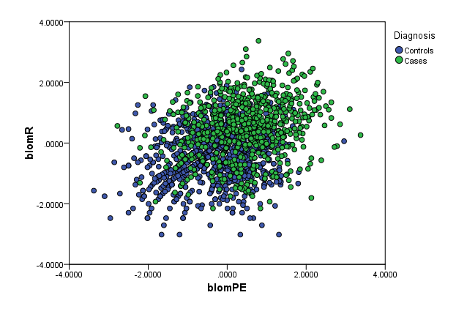
Model 1

Model 2
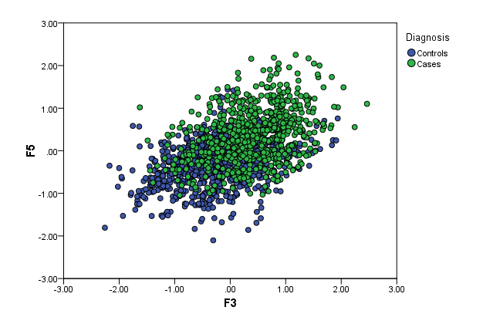

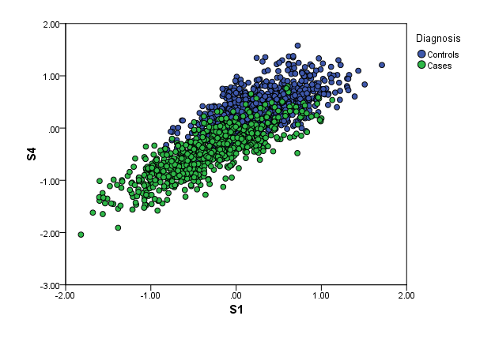
Model 3

Supplementary Figure 3. Scattplots of dual dimensions of cognitive factor scores showing greatest effect sizes in binary logistic regression for case and controls. S1 = Executive Functioning; S4 = Speed/Vigilance. F3 = WCST-64; F5 = CPT-IP Random Errors

SF 4
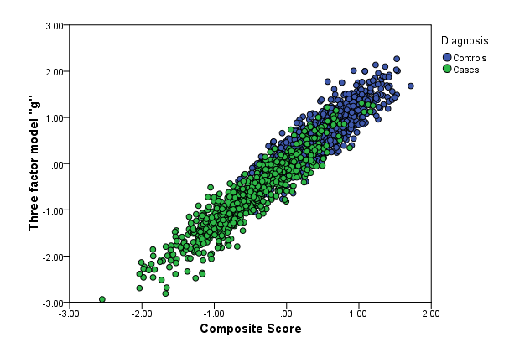
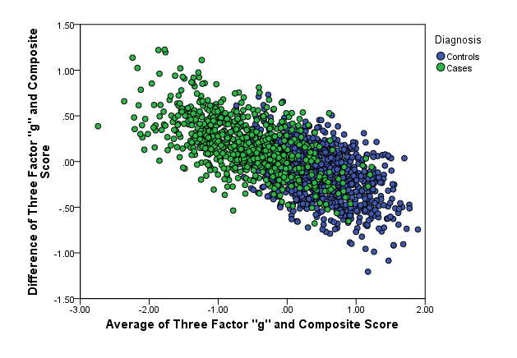

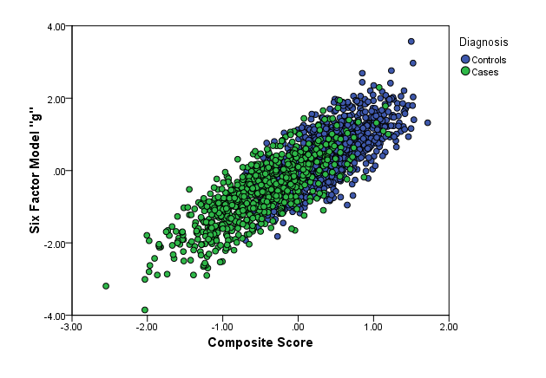
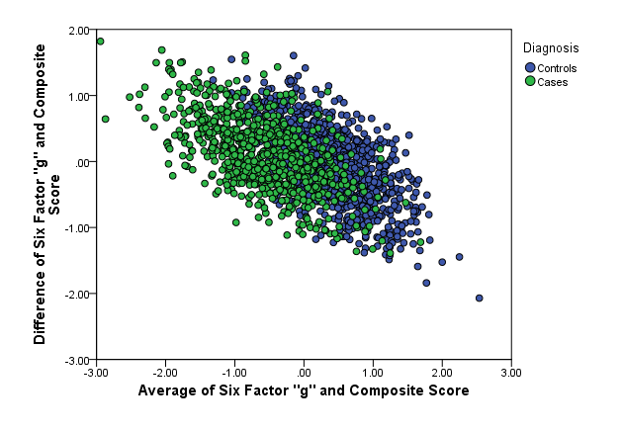

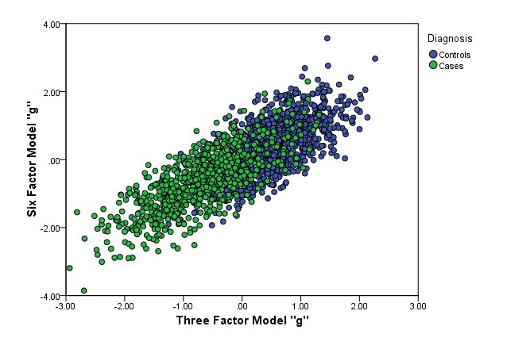
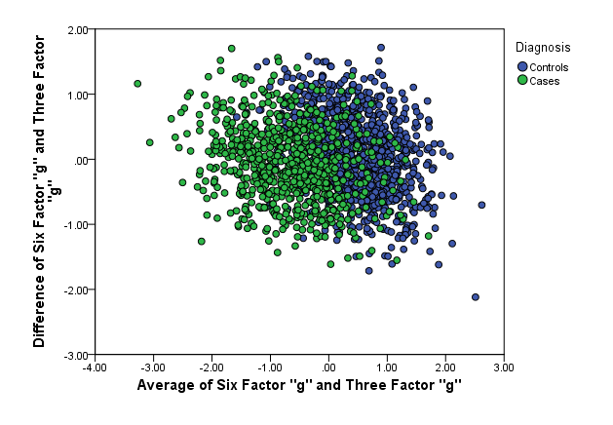

Supplementary Figure 4. Bland Altman plots comparing six factor 'g', three factor 'g' and composite 'g'

