microXRD
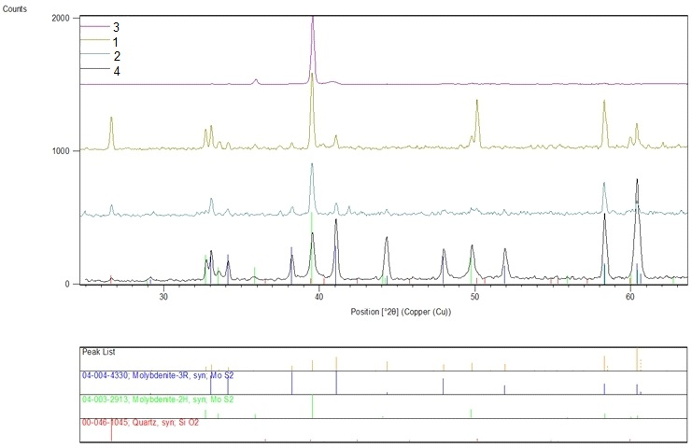
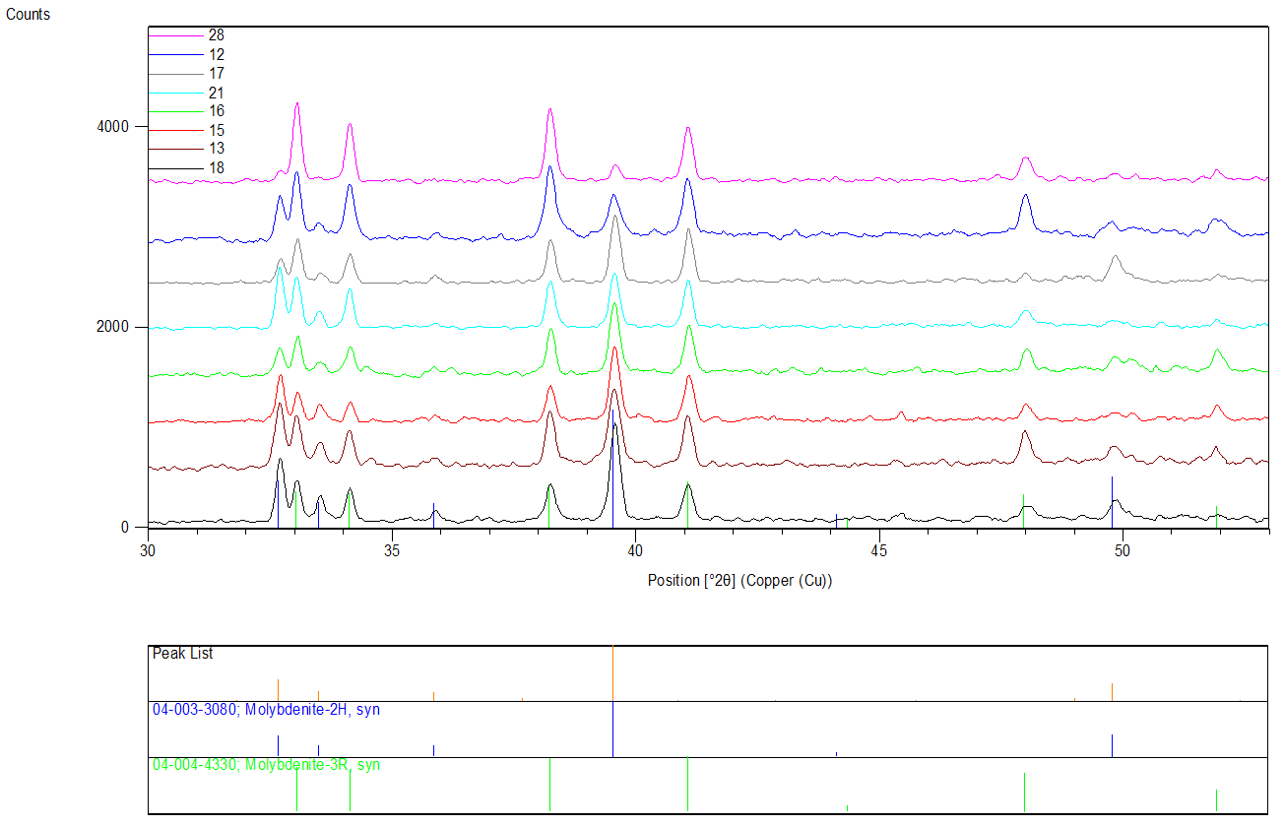
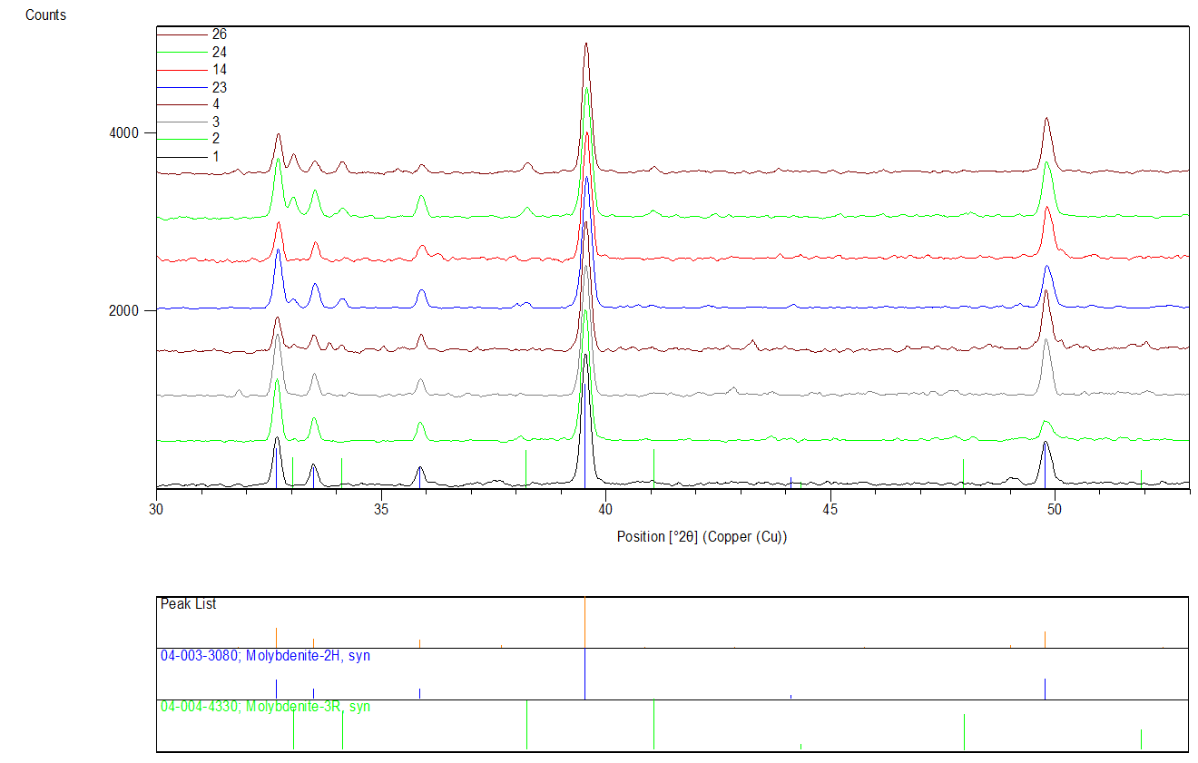
Polytype | 2H | 3R | 3R/2H | Group | Comment | Sample Z-1461/164.5, XRD patterns of the Group 1 (2H>>3R)
hkl | 103 | 015 | 015/103
 | Area calc | Area calc | Area ratio
Sample Z-1461/164.5
1 | 261.1 | 0 | 0 | 1
2 | 221.86 | 0 | 0 | 1
3 | 161.77 | 0 | 0 | 1
4 | 134.85 | 0 | 0 | 1
5 | 382.54 | 48.78 | 0.13 | 2
6 | 158.19 | 24.73 | 0.16 | 2
7 | 379.02 | 30.01 | 0.08 | 2
8 | 375.67 | 26.48 | 0.07 | 2
9 | 358.61 | 46.96 | 0.13 | 2
10 | 272.62 | 54.48 | 0.20 | 2
11 | 193.11 | 43.35 | 0.22 | 2
12 | 94.66 | 116.35 | 1.23 | 3
13 | 209.93 | 99.44 | 0.47 | 3
14 | 239.48 | 4.36 | 0.02 | 1
15 | 148.64 | 80.14 | 0.54 | 3
16 | 141.08 | 87.99 | 0.62 | 3 |  | Sample Z-1461/164.5, XRD patterns of the Group 2 (2H>3R)
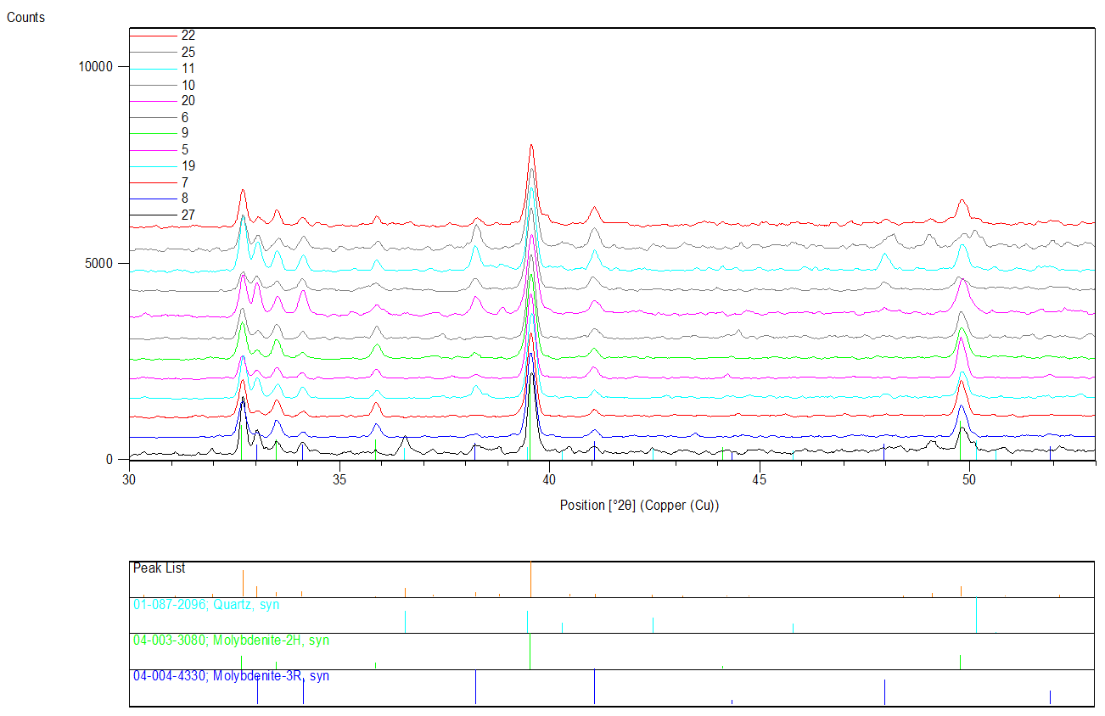
17 | 104.24 | 85.82 | 0.82 | 3
18 | 169 | 59.04 | 0.3 | 3
19 | 270.67 | 22.86 | 0.08 | 2
20 | 316.66 | 59.28 | 0.19 | 2 | extra phase nearby
21 | 94.28 | 69.6 | 0.74 | 3
22 | 214.57 | 52.76 | 0.25 | 2
23 | 381.54 | 5.5 | 0.01 | 1 | not well fittable
24 | 322.26 | 9.42 | 0.03 | 1
25 | 154.55 | 37.75 | 0.24 | 2 | extra phase nearby
26 | 289.73 | 9.48 | 0.03 | 1 | extra phase nearby
27 | 119.49 | 7.82 | 0.07 | 2 | extra phase nearby
28 | 28.3 | 95.15 | 3.36 | 4
Sample Bir-1101/291.2
1 | 85.45 | 14.38 | 0.17
2 | 75.17 | 13.53 | 0.18
3 | 8750.77 | 148.38 | 0.02 |  | peak overlap 3R but low intensity
4 | 94.13 | 82.18 | 0.87

Sample Bir-1101/291.2, XRD patterns for areas 1 to 4 |  |  |  |  |  | Sample Z-1461/164.5, XRD patterns of the Group 3 (2H~3R) and 4 (2H<3R)

