Sheet1
 | analysis 20 Nov 2021
 | parameter estimates from Wessa P., (2013), Maximum-likelihood Weibull Distribution Fitting (v1.0.3) in Free Statistics Software (v1.2.1), Office for Research Development and Education, URL http://www.wessa.net/rwasp_fitdistrweibull.wasp/
 | hazard plots from https://reliabilityanalyticstoolkit.appspot.com/weibull_distribution
 | NOTE: rescaled death age (blue;years to months) per reliabilityanalyticstoolkit.appspot site returns exactly same B values as original (orange), and same a values converted from years to months.
 | q. anitama, med olla |  |  |  | https://reliabilityanalyticstoolkit.appspot.com/weibull_analysis |  | q. ana, lg olla |  |  |  | https://reliabilityanalyticstoolkit.appspot.com/weibull_analysis
 | Parameter | Estimated Value | Standard Deviation |  |  |  | Parameter | Estimated Value | Standard Deviation
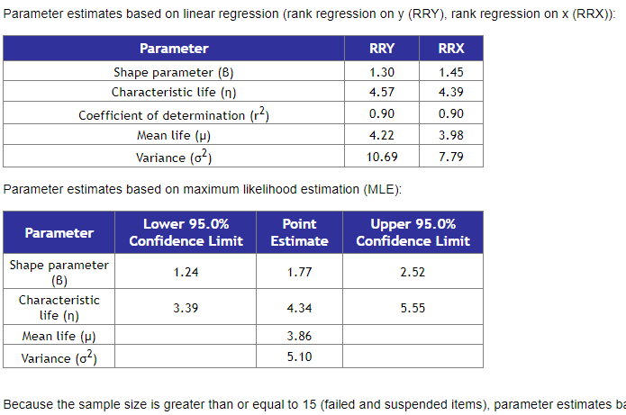
 | shape | 1.2632104529 | 0.19439775629 |  |  |  | shape | 1.766245626 | 0.32208897053
 | scale | 3.0360373993 | 0.47886462532 |  |  |  | scale | 4.3355016839 | 0.54670379318
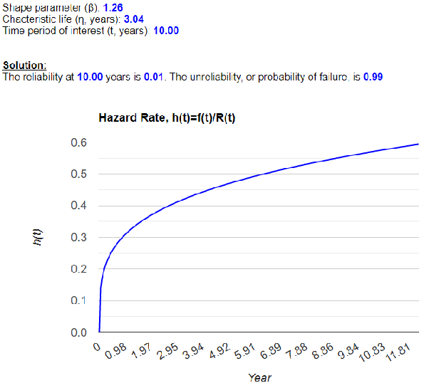
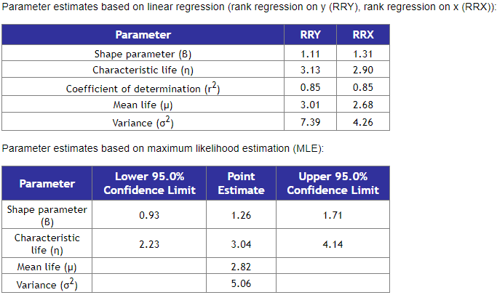
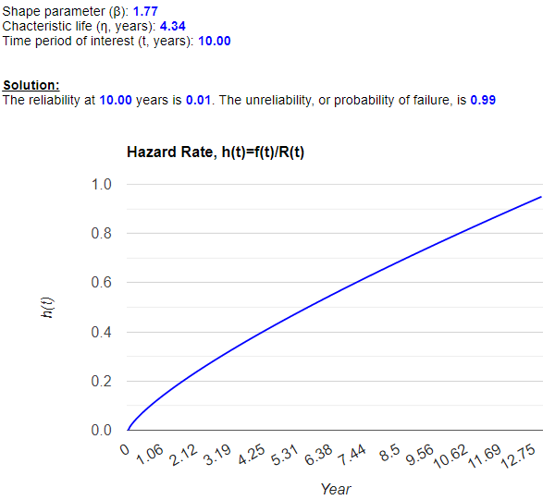

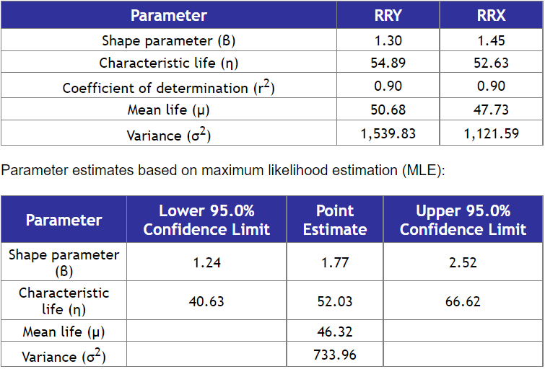
rescaled orange |  |  |  |  |  | rescaled orange |  |  |  |  |  | output: n>15 so MLE preferred
6 | 0.5 | 0.5 |  |  |  | 6 | 0.5 | 0.5
6 | 0.5 | 0.5 |  |  |  | 6 | 0.5 | 0.5
6 | 0.5 | 0.5 |  |  | output: n>15 so MLE preferred | 6 | 0.5 | 0.5
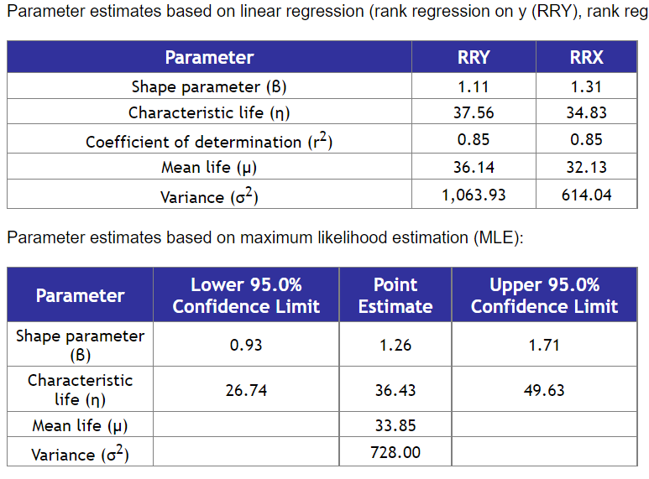
6 | 0.5 | 0.5 |  |  |  | 24 | 2 | 0.5
6 | 0.5 | 0.5 |  |  |  | 24 | 2 | 0.5
6 | 0.5 | 0.5 |  |  |  | 24 | 2 | 0.5
6 | 0.5 | 0.5 |  |  |  | 24 | 2 | 0.5
6 | 0.5 | 0.5 |  |  |  | 24 | 2 | 0.5
12 | 1 | 0.5 |  |  |  | 36 | 3 | 0.5
12 | 1 | 0.5 |  |  |  | 36 | 3 | 0.5
24 | 2 | 0.5 |  |  |  | 48 | 4 | 0.5
24 | 2 | 0.5 |  |  |  | 48 | 4 | 0.5
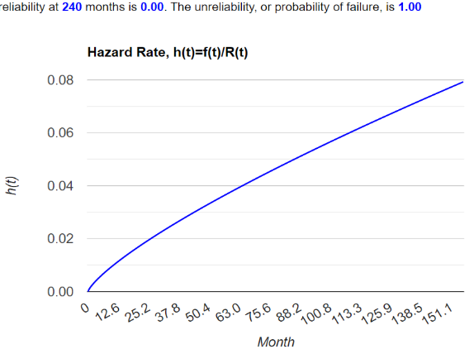
24 | 2 | 0.5 |  |  |  | 60 | 5 | 0.5
24 | 2 | 0.5 | Parameter | Estimated Value | Standard Deviation | 60 | 5 | 0.5 |  | Estimated Value | Standard Deviation
36 | 3 | 0.5 | shape | 1.288895934 | 0.10766427006 | 72 | 6 | 0.5 | shape | 1.7244648876 | 0.14126888882
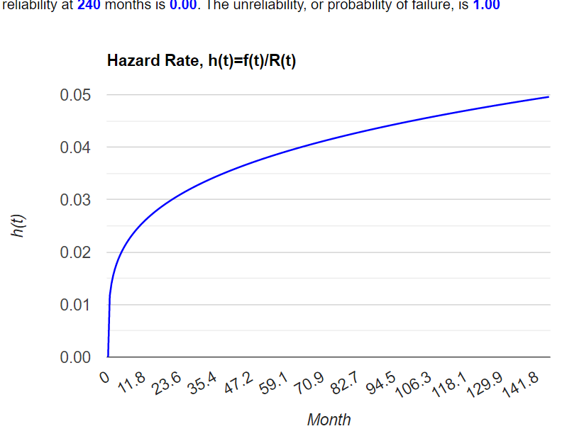
36 | 3 | 0.5 | scale | 3.0485277244 | 0.25577235617 | 72 | 6 | 0.5 | scale | 4.1894252621 | 0.24436275353
36 | 3 | 0.5 |  |  |  | 72 | 6 | 2.0
36 | 3 | 0.5 |  |  |  | 72 | 6 | 2.0
36 | 3 | 0.5 |  |  |  | 72 | 6 | 2.0
48 | 4 | 0.5 |  |  |  | 72 | 6 | 2.0
60 | 5 | 0.5 |  |  |  | 84 | 7 | 2.0
60 | 5 | 0.5 |  |  |  | 84 | 7 | 2.0
60 | 5 | 0.5 |  |  |  |  |  | 2.0
60 | 5 | 0.5 |  |  |  |  |  | 2.0
72 | 6 | 0.5 |  |  |  |  |  | 2.0
72 | 6 | 0.5 |  |  |  |  |  | 2.0
84 | 7 | 1.0 |  |  |  |  |  | 2.0
84 | 7 | 1.0 |  |  |  |  |  | 2.0

