Map_sheet_coord_system
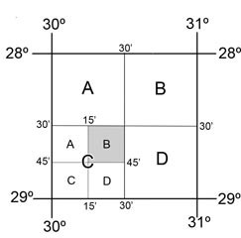
1:50000 map naming convention
Indicated map sheet named 2830CB: coordinate 28°30'S 30°15'E

